中高一般 ENG
Eco-Life Day & Week in Saitama 2023 Winter Checklist Junior/Senior High, General Use

front
 | Step 1: Eco-Life Day Look at the goals below and see what you can do to help the environment in a day!

 | Step 2: Eco-Life Week Challenge yourself to do some of the goals below for a week! |  |  |  |  |  |  | 🔌= Energy-saving goal

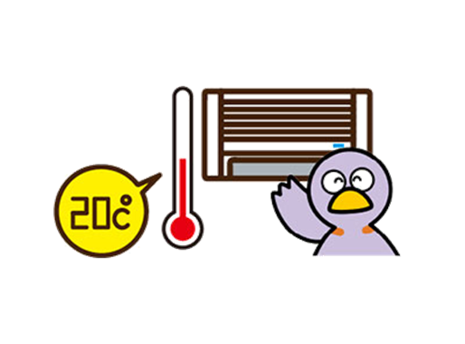
 |  | Check ✔ goals you completed. Fill in the number of people for "Your family". The number in brackets() is the amount of CO₂ (g) reduced.
 |  | 🔌 1（Living Room） | 🔌 2（Living Room） | 🔌 3（Living Room） | 🔌 4 (Living Room) |  | 🔌 5 (Living Room)
 | Let's work together! | I used the heater in moderation and kept the room temperature around 20℃. (144g/day) (save 1,615 yen/winter) | I cleaned the air conditioner filter. (280g/week) (save 972yen/year) |  I turned off the TV when I was doing other things. (21g/day) (save 510 yen/year) | I turned off and unplugged appliances (TV, etc) that were not in use. (70g/day) (save 1,704yen/year) |  | I used energy-saving LED lights. (791g/week) (save 2,738 yen/year)
 | You | I did it for 1 day✔(144g) | I did it✔ (280g) | I did it for 1 day✔(21g) | I did it for 1 day✔(70g) |  | I did it✔ (791g)
 |  | I did for 1 week✔(1,008g) |  | I did for 1 week✔(147g) | I did for 1 week✔(490g)
 | Your family | Number of people who did it for 1 day (144g) | Work together with your family | Number of people who did it for 1 day (21g) | Number of people who did it for 1 day (70g) |  | Work together with your family
 |  | Number of people who did it for 1 week (1,008g) |  | Number of people who did it for 1 week (147g) | Number of people who did it for 1 week (490g)
 |  | Amount of CO₂ reduced (g) | Amount of CO₂ reduced (g) | Amount of CO₂ reduced (g) | Amount of CO₂ reduced (g) |  | Amount of CO₂ reduced (g)

 |  | 🔌 6 (Living Room) | 7 (Bathroom) | 8 (Bathroom) | 🔌 9 (Bathroom) |  | 🔌 10 (Kitchen)
 | Let's work together! |  When I left the room, I turned off the lights. (19g/day) (save 466 yen/year) |  I did not leave the water running and turned the tap off properly. (84g/day) (save 3,023 yen/year) | Everyone used the bath while the water was still hot. (233g/day) (save 6,024yen/year) | I lowered the heated toilet seat setting (turned off in summer). (231g/week) (save 803 yen/year) |  | I didn't use the "keep warm" function on the rice cooker. (53g/day) (save 1,283 yen/year)
 | You | I did it for 1 day✔(19g) | I did it for 1 day✔(84g) | I did it for 1 day✔(233g) | I did it✔ (231g) |  | I did it for 1 day✔(53g) |  | *Please turn over.
 |  | I did for 1 week✔(133g) | I did for 1 week✔(588g) | I did for 1 week✔(1,631g) |  |  | I did for 1 week✔(371g)
 | Your family | Number of people who did it for 1 day (19g) | Number of people who did it for 1 day (84g) | Work together with your family | Work together with your family |  | Work together with your family
 |  | Number of people who did it for 1 week (133g) | Number of people who did it for 1 week (588g)
 |  | Amount of CO₂ reduced (g) | Amount of CO₂ reduced (g) | Amount of CO₂ reduced (g) | Amount of CO₂ reduced (g) |  | Amount of CO₂ reduced (g)

back
 |  |  |  |  |  |  | 🔌= Energy-saving goal
 |  | Check ✔ goals you completed. Fill in the number of people for "Your family". The number in brackets() is the amount of CO2 (g) reduced.
 |  | 🔌 11 (Kitchen) | 🔌 12 (Kitchen) | 🔌 13 (Kitchen) | 14 (Kitchen) |  | 15 (Food)
 | Let's work together! | 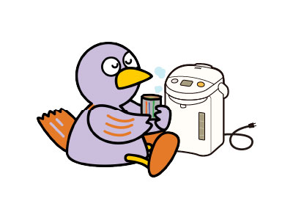 I unplugged the electric water boiler when not using it for a long time. (135g/day) (save 3,269yen/year) | I didn't put too much food in the fridge. (55g/day) (save 1,334 yen/year) | 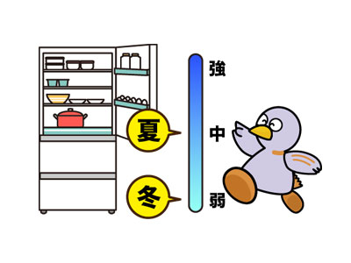 I changed the temperature setting of the fridge from high to medium power. (539g/week) (save 1,878yen/year) | I checked what food was in the fridge and decided what to buy before going shopping. (19g/day) |  | At the store, I bought the food placed at the front of the shelves. (12g/day)
 | You | I did it for 1 day✔(135g) | I did it for 1 day✔(55g) | I did it✔ (539g) | I did it for 1 day✔(19g) |  | I did it for 1 day✔(12g)
 |  | I did for 1 week✔(945g) | I did for 1 week✔(385g) |  | I did for 1 week✔(133g) |  | I did for 1 week✔(84g)
 | Your family | Number of people who did it for 1 day (135g) | Number of people who did it for 1 day (55g) | Work together with your family | Number of people who did it for 1 day (19g) |  | Number of people who did it for 1 day (12g)
 |  | Number of people who did it for 1 week (945g) | Number of people who did it for 1 week (385g) |  | Number of people who did it for 1 week (133g) |  | Number of people who did it for 1 week (84g)
 |  | Amount of CO₂ reduced (g) | Amount of CO₂ reduced (g) | Amount of CO₂ reduced (g) | Amount of CO₂ reduced (g) |  | Amount of CO₂ reduced (g)

 |  | 16 (Food) | 17 (Food) | 18 (Going Out) | 19 (Going Out) |  | 20 (Going Out)
 | Let's work together! | I ate all my food and did not waste anything. (19g/day) |  I ate fruit and vegetables that were in season. (97g/day) | I brought my own bag when I went shopping. (33g/day) |  I took my own drink bottle when I went out. (47g/day) |  | When I went out, I walked, biked, or took public transport instead of going by car. (189g/day) (save 2,448 yen/year)
 | You | I did it for 1 day✔(19g) | I did it for 1 day✔(97g) | I did it for 1 day✔(33g) | I did it for 1 day✔(47g) |  | I did it for 1 day✔(189g)
 |  | I did for 1 week✔(133g) | I did for 1 week✔(679g) | I did for 1 week✔(231g) | I did for 1 week✔(329g) |  | I did for 1 week✔(1,323g)
 | Your family | Number of people who did it for 1 day (19g) | Number of people who did it for 1 day (97g) | Number of people who did it for 1 day 33g) | Number of people who did it for 1 day (47g) |  | Number of people who did it for 1 day (189g)
 |  | Number of people who did it for 1 week (133g) | Number of people who did it for 1 week (679g) | Number of people who did it for 1 week (231g) | Number of people who did it for 1 week (329g) |  | Number of people who did it for 1 week (1,323g)
 |  | Amount of CO₂ reduced (g) | Amount of CO₂ reduced (g) | Amount of CO₂ reduced (g) | Amount of CO₂ reduced (g) |  | Amount of CO₂ reduced (g)

 | Name: |  |  |  |  | Total amount of CO₂ reduced during Eco-Life Day & Week (g) |  |  | g
 |  |  |  |  |  |  |  | *For every person that completes all goals in a day, we can reduce 3,071g of CO2!

